Midwestern Homes Pivot Table
Cost of Midwestern Homes
Count of Sales Prices
Row Labels | Total
115-139 | 7
165-189 | 7
190-214 | 4
215-240 | 6
Grand Total | 24

Home Prices | Frequency
115-139 | 7
140-164 | 0
165-189 | 7
190-214 | 4
215-240 | 6

Statistics Quiz Pivot Table
Count of Scores
Row Labels | Total
16-29 | 3
30-43 | 4
44-57 | 6
58-71 | 3
72-86 | 4
Grand Total | 20
Quiz Scores

Eastside HS Pivot Table
Count of SAT Scores
Row Labels | Total
1400-1599 | 5
1600-1799 | 7
Esatside HS SAT Scores
1800-1999 | 12
2000-2199 | 3
2200-2400 | 3
Grand Total | 30

Water Park
The manager at a water park constructed the following frequency distribution to summarize attendance in July and August.

 |  | Attendance | Frequency
 |  | 1,000 up to 1,250 | 5
 |  | 1,250 up to 1,500 | 6
 |  | 1,500 up to 1,750 | 10
 |  | 1,750 up to 2,000 | 20
INSTRUCTIONS |  | 2,000 up to 2,250 | 15
Attendance in July and August
1) Create a histogram of the data. |  | 2,250 up to 2,500 | 4

2) What of the following is the most likely attendance range? | 1,750 up to 2,000

Book Collection
The following histogram represents the number of pages in each book within a collection. What is the frequency of books containing at least 250 but fewer than 300 pages? |  |  | The following histogram represents the number of pages in each book within a collection. What is the frequency of books containing at least 200 but fewer than 250 pages?

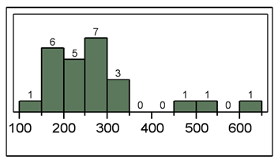
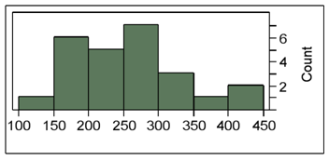
 | 7
 |  |  |  | 5

The following histogram represents the number of pages in each book within a collection. What is the frequency of books containing at least 250 but fewer than 400 pages?

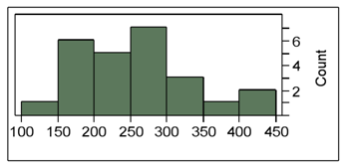
 |  | 11

